Application Screen
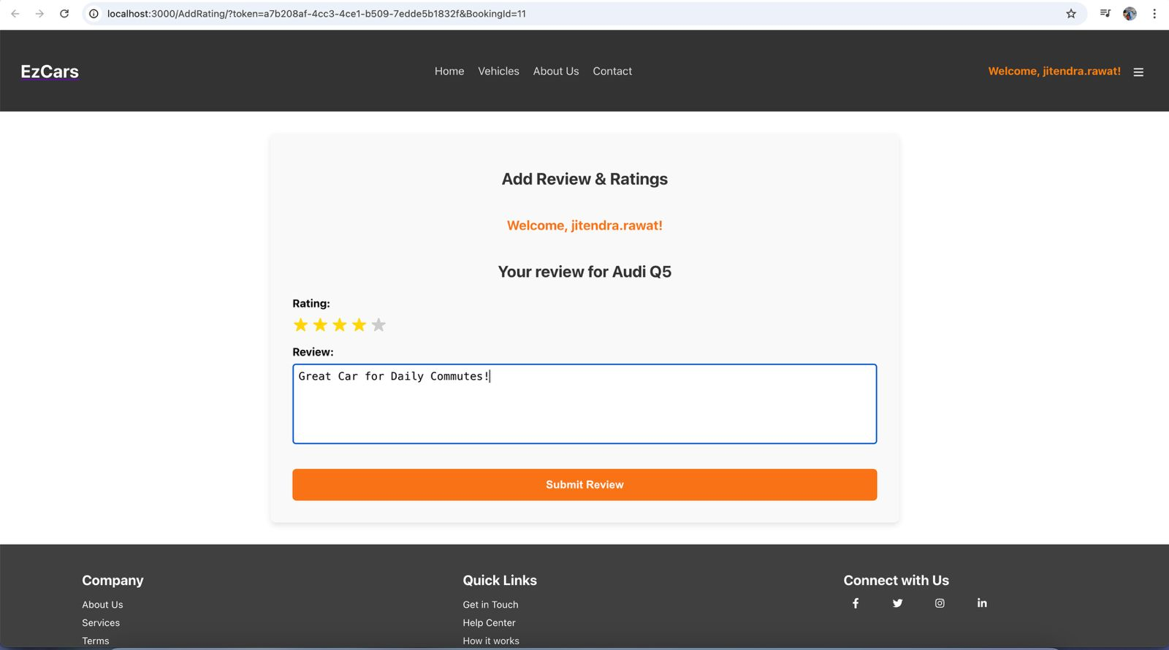

Test Case 8
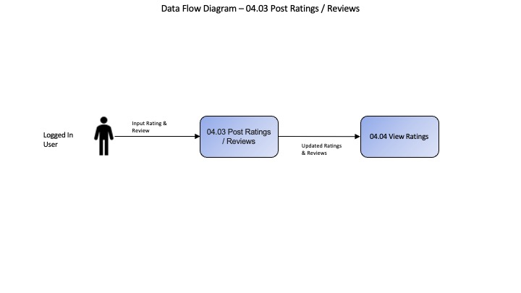
TC Title: | TC8. Post Ratings / Reviews - Data Flow Out Testing

TC Objective: | Ensure ratings and reviews data integrates seamlessly with view ratings, vehicles, displaying accurately and consistently across all platforms.

TC Description
 | Step | Step Description | Expected Results
 | 1 | Log in to the EzCars system and head to the reviews page. | The system logs in and the reviews page is displayed.
 | 2 | Post a review and confirm its appearance on the primary application. | The review is displayed accurately, maintaining intended formatting.
 | 3 | Navigate to view ratings or vehicles to view the displayed review. | The view ratings or vehicles shows the review with correct data and formatting.

